Sheet1
SKU | Case Code | Item | UPC | Case List | Total List | Total Cases | Total Units | Casepack
33092/50 | 42000330923 | Brawny® Wet Pet Wipes in Bucket w/Handle, 84/6, 6 sell unit buckets of 84 wipes per case | 42000330916 | $102.00 | $117,810.00 | 1,155 | 6,930 | 6
33091/01 | 10042000330906 | Brawny® Wet Pet Wipes in Bucket w/Handle, 84/6, 6 sell unit buckets of 84 wipes per case | 42000330916 | $102.00 | $109,956.00 | 1,078 | 6,468 | 6
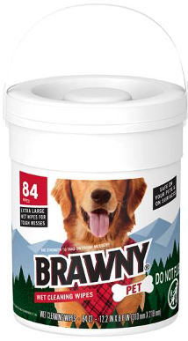
 |  |  |  | Total Units | 13,398
 |  |  |  | Total Pallets | 22
 |  |  |  | Total Retail Value | $227,766.00

